Sheet1
Language | Code | Compile Message | Compilation

ASP.NET | <form id="form1" runat="server"> <div> <asp:Login ID="Login1" runat="server" BackColor="#FFFFFF" BorderColor="#CDCC99" BorderStyle="Solid" BorderWidth="1px" Font-Names="Times New Roman" Font-Size="10pt"> <TitleTextStyle BackColor="#6B6B6B" Font-Bold="True" ForeColor="#E9967A" /> </asp:Login> </div> </form> These can be set in CSS file too: .LoginControl { background-color:#FFFFFF; border-color:#CDCC99; border-style:solid; border-width:1px; font-family:Times New Roman; font-size:10px; } | Can't compile for Selected language,select preferred langauge | No

C | #include<stdio.h> int main() { int n,sum=0,m; printf("Enter a number:"); scanf("%d",&n); while(n>0) { m=n%10; sum=sum+m; n=n/10; } printf("Sum is=%d",sum); return 0; } | Enter a Number,Sum is : 23 | Yes

C# | using System; public class Program { public static void Main(string[] args) { int i, n, sum = 0; Console.WriteLine("Enter the value of n :"); n = Convert.ToInt32(Console.ReadLine()); for(i = 1; i<= n; i++){ sum += i; } Console.WriteLine("Total sum: "+sum); } } | 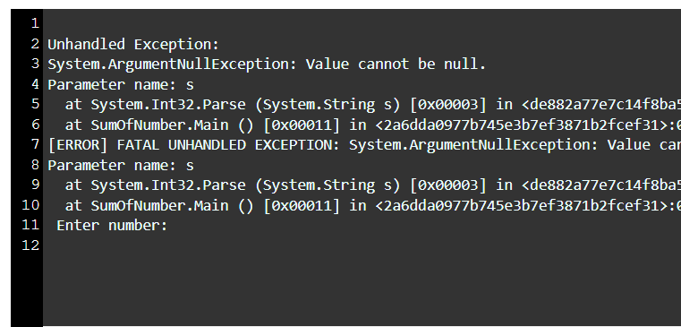 | Yes

C++ | #include <iostream> using namespace std; int main() { int num1 = 5; int num2 = 10; int sum = 0; for (int i = num1; i <= num2; i++) sum = sum + i; cout << sum; return 0; } | 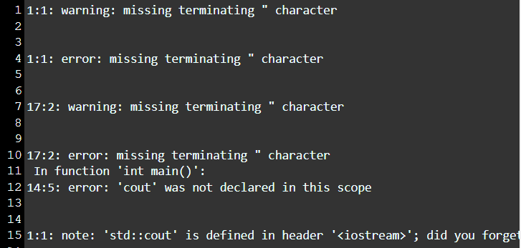 | Yes

CSS |  | Can't compile for Selected language,select preferred langauge | No

HTML |  | Can't compile for Selected language,select preferred langauge | No

JSP |  | Can't compile for Selected language,select preferred langauge | No

JSX |  | Can't compile for Selected language,select preferred langauge | No

Java | Print("Hello") |  | Yes

Java Script | Print("Hello") | 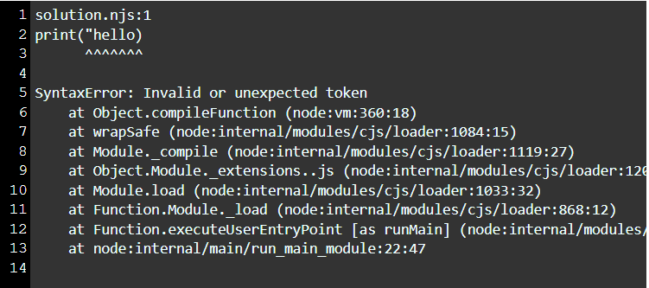 | Yes

Kotlin | fun main(args : Array<String>) { println("Hello, World!") } | Hello World | Yes

Nginx |  | Can't compile for Selected language,select preferred langauge | No

PHP | <?php print "Hello by PHP print "; print ("Hello by PHP print()"); ?> | Hello by PHP print Hello by PHP print() | Yes

Powershell |  | Can't compile for Selected language,select preferred langauge | No

Python | print("Hello") | Hello | Yes

Python 3 | print("Hello") | Hello | Yes

Ruby | puts "practice", "makes", "a", "man", "perfect" |  | Yes

SQL |  | Can't compile for Selected language,select preferred langauge | No

Scala | import scala.collection.immutable._ // Creating object object GFG { // Main method def main(args:Array[String]) { // Creating an Empty List. val emptylist: List[Nothing] = List() println("The empty list is: " + emptylist) } } |  | Yes

Shell |  | Can't compile for Selected language,select preferred langauge | No

Spark |  | Can't compile for Selected language,select preferred langauge | No

Swift | print("Swift is powerful") | Swift is powerful | Yes

VB.NET |  | Can't compile for Selected language,select preferred langauge | No

Verilog/System Verilog |  | Can't compile for Selected language,select preferred langauge | No

Yaml |  | Can't compile for Selected language,select preferred langauge | No

